Skenaariotarkastelu
Haettu Veturi-rahoituksen määrä |  |  |  | 20

 |  |  | Toteuma mittareittain (Huom! Jos toteuma on negatiivinen, käytä lukua nolla) | Mittareiden toteuman perusteella maksettava määrä | Toteumaluku (kokonaisuus) | Toteumaluvun perusteella maksettava määrä | Maksettava määrä (milj. €) | KÄYTTÖOHJE Muuta oransseissa soluissa olevia toteuma-arvoja nähdäksesi miten erilaiset toteumaskenaariot vaikuttavat lopulliseen maksatukseen.
Skenaario 1 |  |  |  | 6.00 | 0.54 | 10.80 | 6.00
 | Mittari 1 | T&K | 60% | 4.20
 | Mittari 2 | ekosys. | 40% | 1.80
Skenaario 2 |  |  |  | 18.18 | 0.99 | 19.88 | 18.18
 | Mittari 1 | T&K | 79% | 12.18
 | Mittari 2 | ekosys. | 147% | 6.00
Skenaario 3 |  |  |  | 20.00 | 0.74 | 14.80 | 14.80
 | Mittari 1 | T&K | 0.8 | 14.00
 | Mittari 2 | ekosys. | 0.6 | 6.00
Skenaario 4 |  |  |  | 6.00 | 0.54 | 10.80 | 6.00
 | Mittari 1 | T&K | 0.6 | 4.20
 | Mittari 2 | ekosys. | 0.4 | 1.80

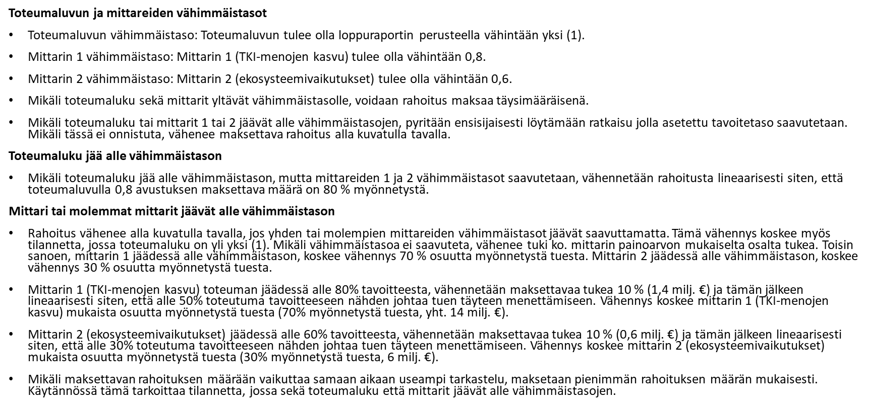

Scenarios 20 mil.
Applied Veturi funding (€M) |  |  |  | 20

 |  |  | Realization by indictors (If realization is negative, use zero) | Payment according to indicators | Realization figure | Payment according to the Realization Figure | Final amount to be paid (milj. €) | USER GUIDE To see how your realization impacts the payments, try different realization percentages in the yellow cells.
Scenario 1 |  |  |  | 6.00 | 0.54 | 10.80 | 6.00
 | Indicator 1 | R&D | 60% | 4.20
 | Indicator 2 | ecosys. | 40% | 1.80
Scenario 2 |  |  |  | 18.18 | 0.99 | 19.88 | 18.18
 | Indicator 1 | R&D | 79% | 12.18
 | Indicator 2 | ecosys. | 147% | 6.00
Scenario 3 |  |  |  | 20.00 | 0.74 | 14.80 | 14.80
 | Indicator 1 | R&D | 0.8 | 14.00
 | Indicator 2 | ecosys. | 0.6 | 6.00
Scenario 4 |  |  |  | 6.00 | 0.54 | 10.80 | 6.00
 | Indicator 1 | R&D | 0.6 | 4.20
 | Indicator 2 | ecosys. | 0.4 | 1.80
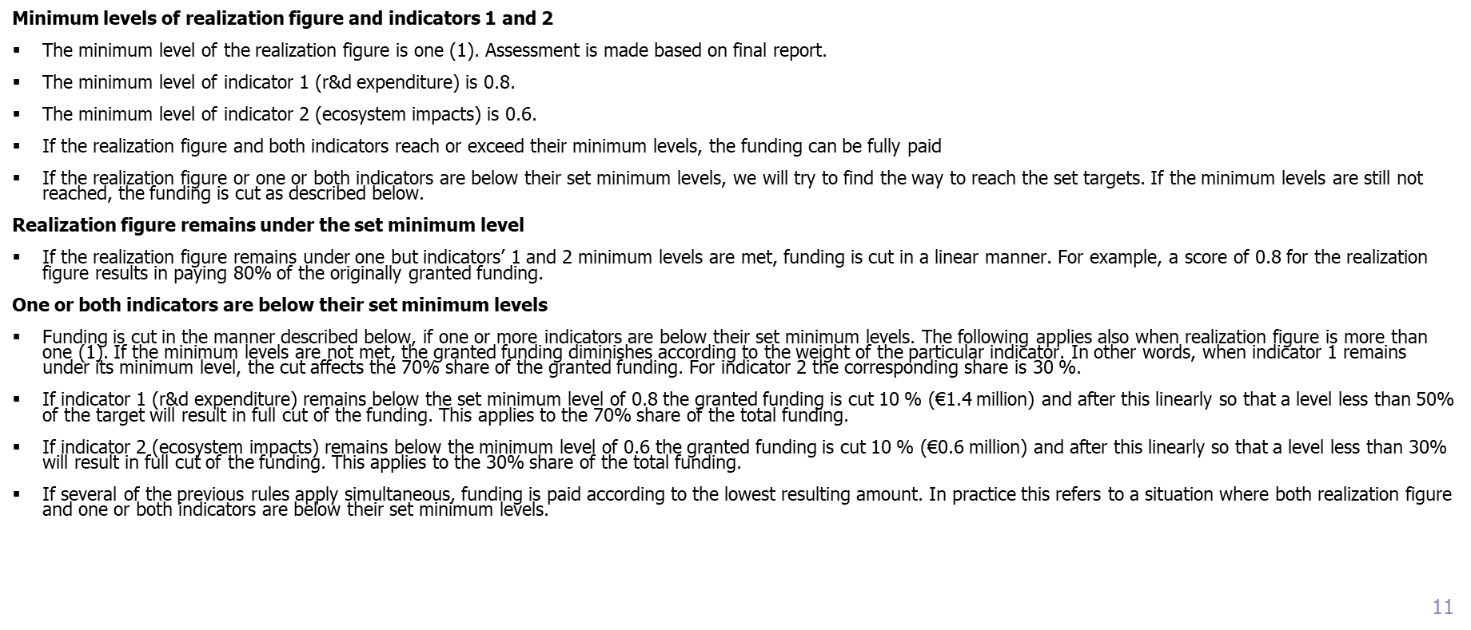

Scenarios_10 mil.
Applied Veturi funding (€M) |  |  |  | 10

 |  |  | Realization by indictors (If realization is negative, use zero) | Payment according to indicators | Realization figure | Payment according to the Realization Figure | Final amount to be paid (milj. €) | USER GUIDE To see how your realization impacts the payments, try different realization percentages in the yellow cells.
Scenario 1 |  |  |  | 3.00 | 0.54 | 5.40 | 3.00
 | Indicator 1 | R&D | 60% | 2.10
 | Indicator 2 | ecosys. | 40% | 0.90
Scenario 2 |  |  |  | 9.09 | 0.99 | 9.94 | 9.09
 | Indicator 1 | R&D | 79% | 6.09
 | Indicator 2 | ecosys. | 147% | 3.00
Scenario 3 |  |  |  | 10.00 | 0.74 | 7.40 | 7.40
 | Indicator 1 | R&D | 0.8 | 7.00
 | Indicator 2 | ecosys. | 0.6 | 3.00
Scenario 4 |  |  |  | 10.00 | 1.05 | 10.50 | 10.00
 | Indicator 1 | R&D | 0.9 | 7.00
 | Indicator 2 | ecosys. | 1.4 | 3.00
